Sheet1
https://www.mcmaster.com/screws

 |  |  | hauteur insert | 0,186 po
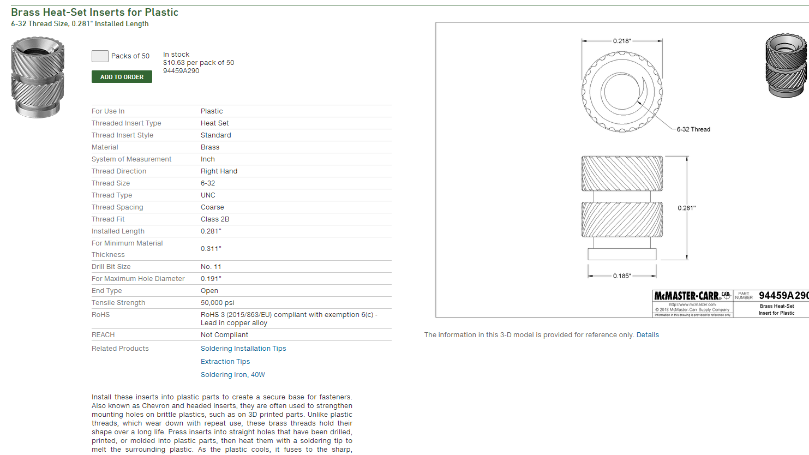

 | Bill of material for shell

 | Desciption | Vendor | Part number | Quantity | Link
 | Brass Heat-Set Insert for Plastic | McMaster | 94459A290 | 8 | https://www.mcmaster.com/94459a290
 | 18-8 Stainless Steel Socket Head Screw 2 3/4" | McMaster | 92196A263 | 6 | https://www.mcmaster.com/92196a263
 | 18-8 Stainless Steel Socket Head Screw 1" | McMaster | 92196A153 | 8 | https://www.mcmaster.com/92196a153
 | Dremel 3D Filament - PLA Orange | Home Dépot | 1000819406 | 1 | https://www.homedepot.ca/produit/dremel-3d-filament-pla-orange/1000819406?searchterm=1000819406

